Start
Things to know...
1. Do NOT edit any of the column names.
2. Do NOT delete any columns.
3. You may append columns to the END of the "Students" tab.
4. Do NOT touch the following tabs: BMITable, BP Table, Lookup_Tables.
5. Do not edit ANY cells on the ReportCard template, doing so will run the risk of messing up the macro that generates the report cards.
6. A student's blood pressure is categorized by the use of a blood pressure chart. As such, if the student's height falls out the range for their age group as listed in the chart, then their BP category will NOT be calculated. This should not happen very frequently, and it is advised that for the few that could not be found, to use a online calculator.
7. If something is wrong with the workbook, please contact Mark Bloodworth in Coordinated School Health.

Click the 'Start" button below to begin.

Report
Student Health Report 2022-2023

One of the primary functions of Coordinated School Health (CSH) is to address health related barriers to learning for (School District Name) students. CSH encourages vision, hearing, blood pressure (BP), and body mass index (BMI) screenings for grades K, 2, 4, 6, 8 and one year of high school. Screenings are not a medical diagnosis and should not be considered a physical examination. Students are encouraged to receive regular physical exams by a health care provider.

Student Information |  |  |  |  |  | Basic Health Profile
Name | B49 A49 |  |  |  |  | Birth Date | 10/3/2010 | BP | 106/59
School | Kennedy High School |  |  |  |  | Gender | F | BMI | 56.94
Grade | 10 |  |  |  |  | Weight | 181.2 lbs.
School ID | 4041417 |  |  |  |  | Height | 47.3 in.
Address | , |  |  |  |  | Exam Date | 10/3/2015

BP Screening |  |  |  |  |  | BMI Screening
BP shows how hard the heart works to get blood to the body. High BP may indicate a health problem and high BP can lead to health problems later in life. Healthy BP for children and teens is dependent on age, sex, and height. *BP results are preliminary. If a student's BP is greater than or equal to the 90th percentile for the student's age/sex/height, they will be rescreened at school. If the average of the BP rescreens is greater than or equal to the 90th percentile, CSH will contact the parent/guardian and recommend the student be seen by a health care provider. |  |  |  |  |  | BMI is calculated using weight and height measurements. BMI percentile is calculated using your child's weight and height and comparing it to children of the same age and sex. Being underweight or overweight percentile may increase a child's risk of health problems. It is important to understand that BMI does not diagnose your child with a weight problem. Only a health care provider can determine if your child's BMI-for-age is a problem. *Rarely, a child’s BMI may be high because the child is very muscular. Being muscular does not increase health problems for children.

BP Category |  |  |  |  |  | BMI Category
Your Blood Pressure Reading is 106/59 mmHG |  |  |  |  |  | BMI for age is 56.94 kg/m2
Systolic: | 106 | mmHg |  |  |  | If the student's BMI does not fall between 13.53 and 16.79, it is recommended you schedule a visit with your child's health care provider and share these results. Results do not mean that your child is underweight or overweight.
Diastolic: | 59 | mmHg
Your BP Category is Normal
The table below highlights where your child's BP falls according to the American Academy of Pediatrics.
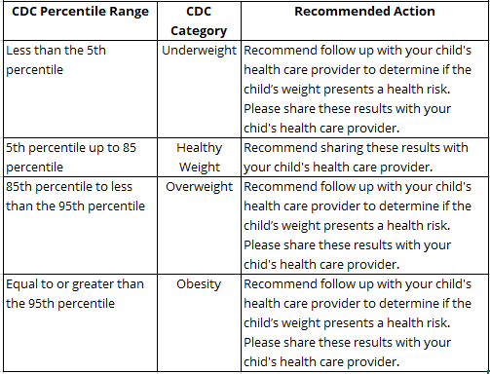
If the student's systolic BP is above 110 OR diastolic BP is above 69, then it is recommended that the student be seen by a health care provider and these results are shared with the provider. |  |  |  |  |  | The BMI suggests the student may be Obese

 |  |  |  |  |  | Is below 13.53
BP |  | BP Category
Systolic | Diastolic |  |  |  |  | Is at OR above 13.53 but below 16.79

 |  | Stage 2 Hypertension |  |  |  | Is at OR above 16.79 but below 18.22
125 | 85
 |  | Stage 1 Hypertension |  |  |  | Is at or above 18.22
113 | 73
 |  | Elevated
110 | 69
 |  | Normal

Additional Health Screenings
P = Pass R = Recommend follow-up with health care provider and share these results.

Hearing | P | Vision | P | Scoliosis | P | Oral Health | P | Color Vision | P
*NOTE: NA indicates that no information is available.

